1. Title Page
[Instacart Basket Analysis]

Project Name: Instacart Basket Analysis
Date: 08-20-2023
Analyst Name: Jonathan Tran

Contents:
Population Flow
Consistency checks
Wrangling steps
Column derivations
Visualizations
Recommendations

Data citation: “The Instacart Online Grocery Shopping Dataset 2017”, Accessed from www.instacart.com/datasets/grocery-shopping-2017 via Kaggle on [08-20-2023].
Note: Customer Data and "Prices" column in products data set were fabricated for educational purposes

2. Population Flow
Title page

Population flow

Exclusion flag
Condition: max_order < 5
Obervations to be removed: 1,440,295
Final total count of order_products_all: 29,189,446

Orders_products_combined
Orders_products_merged
Instacart_Final

Total: 32,404,859 rows x 13 columns
Total: 32,404,859 rows x 23 columns
Total: 30,629,741 rows x 38 columns

1.) The grey boxes in the first row of the population flow represent the original data sets as they were when you downloaded them. In the Total fields you need to add the count of the rows when you imported the data set into Jupyter.
2.) The second row of boxes (coloured) represents the data sets after you manipulated them, e.g., removed missing values and duplicates. In the Total fields you need to add the count of the rows after conducting these operations. This offers a visual oveview of how the data flows throughout the data consistency checks.
3.) The third row, where also the arrows are coloured, represents the merges you performed between the datasets. In the Total fields you need to add the count of the rows in the merged datasets, so that you end up with the final dataset (in the red box). Keep in mind the final dataset should be without exclusions (based on the exclusion flag).

3. Consistency checks
 |  |  |  | Title page
Consistency checks

Dataset | Missing values | Missing values treatment | Duplicates
orders | 206,209 NaN values in 'days_since_last_order' column | These values are NaN due to it being the customer's first order (No previous order) | There are no duplicates
products | 16 NaN values in 'product_name' column | These values were removed | There are 5 duplicates
orders_products_prior | There are no missing values |  | There are no duplicates
customers | 11,259 NaN values in 'First Name' column | These values were removed | There are no duplicates

4. Wrangling steps
 |  |  |  | Title page
Wrangling steps

Columns dropped | Columns renamed | Columns' type changed | Comment/Reason
'eval_set' |  |  | Unneeded Column
'First Name', 'Last Name' |  |  | PII compliance
 | 'order_dow' to 'order_day_of_week'
 | 'days_since_prior_order' to 'days_since_last_order'
 | 'Surnam to 'Last Name'
 | 'n_dependants' to 'dependants'

5. Column derivations
 |  |  |  | Title page

Column derivations and aggregations

In this tab you should add tables below that the frequences of flags/label variables that you produced after deriving them. NB: don't do this for continuous variables, only for flags.
Dataset | New column | Column/s it was derived from | Conditions
orders_products_combined | price_range_loc | prices | "Low-range product" (value is <= 5) "Mid-range product" (value >5 and <=15) "High-range product" (value > 15)
orders_products_combined | busiest days | order_day_of_week | "Busiest days" (value = 0, 1) "Slowest days" (value = 3, 4) "Regularly busy" (value = else)
orders_products_combined | busiest_period_of_day | order_hour_of_day | "Most orders" (value = 10, 11, 14, 15, 13, 12 16, 9) "Average orders" (value = 17, 8, 18, 19, 20, 7, 21, 22) "Fewest orders" (value = else)
orders_products_busiest | max_order | user_id, order_number
orders_products_busiest | loyalty_flag | max_order | "Loyal customer" (value > 40) "Regular customer" (value<=40 and >10) "New customer" (value <10)
orders_products_busiest | avg_prod_price | prices
orders_products_busiest | spender_type | avg_prod_price | "Low spender" (value < 10) "High spender" (value >=10)
orders_products_busiest | frequency | days_sincelast_order
orders_products_busiest | frequency_type | frequency | "'Frequent customer" (value > 20) "Regular customer" (value > 10 and <= 20) "Non-frequent customer" (value <=10)
Total Combined Data | Region | STATE | Census Bureau regional segmentation
Total Combined Data | activity_level | max_order | "Active" (value >= 5) "Low Activity" (value < 5)
Total Combined Data | Age Group | Age | "Middle-aged" (value >= 30 and <55) "Young" (value < 30) "Old" (value >= 55)
Total Combined Data | Income Class | income | "Middle Class" (value >=127934 and < 67066) "Higher Class" (value >= 127934) "Lower Class" (<67066)
Total Combined Data | Family Structure | fam_status, dependants | "Married WITH Dependants" (value = 'married', >=1) "Single with NO Dependants" (value = 'divorced/widowed', 'living with parents and siblings', 0) "Married with NO Dependants" (value = 'married', 0) "Single WITH Dependants" (value = 'divorced/widowed', 'living with parents and siblings',>=1)
Total Combined Data | customer | department_id, user_id | "produce_buyer" (value = 4) "produce_non_buyer" (value != 4)
Total Combined Data | customer_1 | department_id, user_id | "pet_buyer" (value = 8) "pet_non_buyer" (value != 8)

6. Visualizations
 | Title page

Visualisations

In this tab you should include all the visualtions from Exercises 4.9 and 4.10, alongside the questions from the project brief that they answer. Include any commentary on the relationship between different variables.



Depicted above is Number of Orders by Day of the Week;



Depicted above is Number of Orders by Hour of Day; 10am-11am are the busiest hours
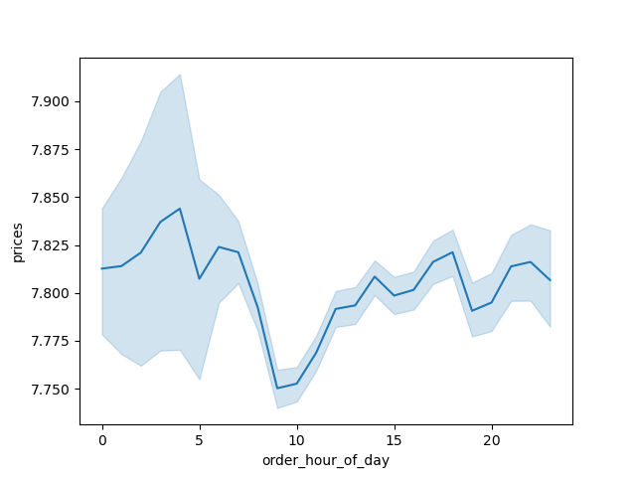

Depicted above is the average price of items depending on hour of the day;

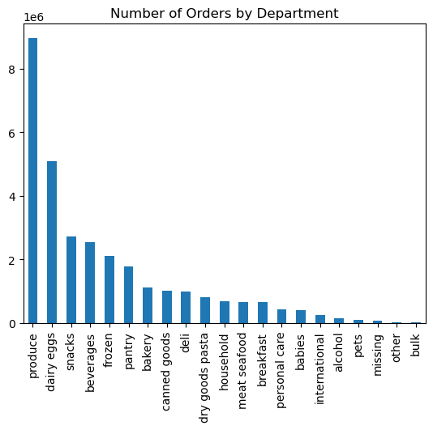

Depicted above is orders by department. Showing the most frequented department being produce and least frequented being pets;



Customers sorted by Loyalty status (how frequently they order);

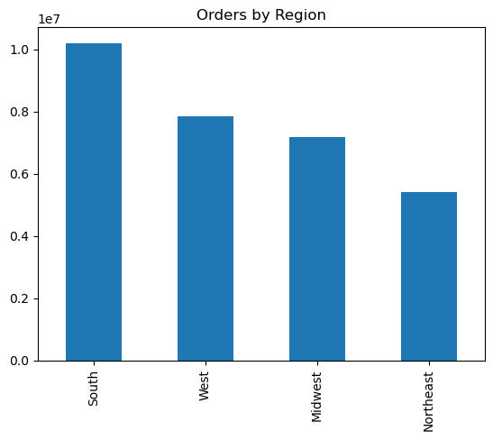
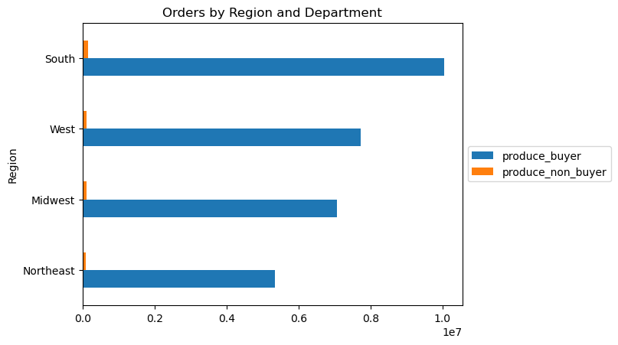
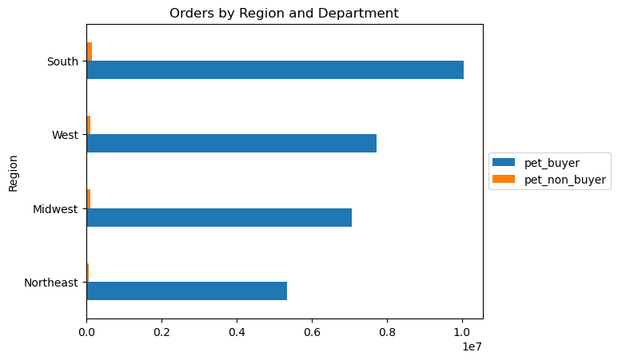

Orders by Region; Although the frequency rate stays relatively the same no matter the region; as well as examples of different department performances by Region;

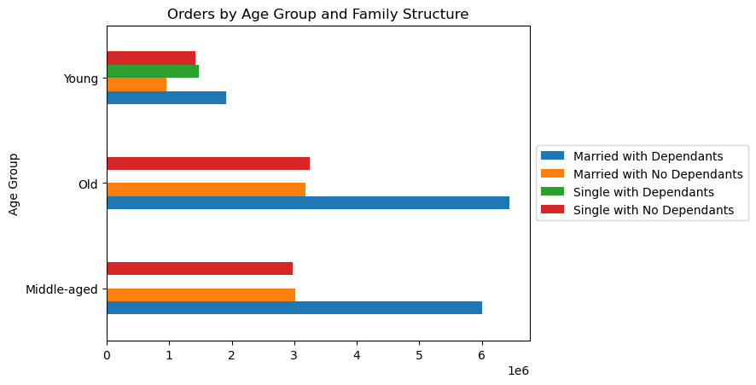

Depicted above is orders on average by Age Group and Family Structure; Instacart should be targeted at the Middle-aged to Older families with dependants;

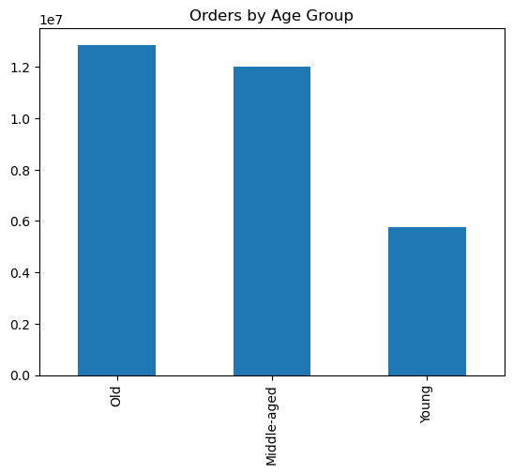
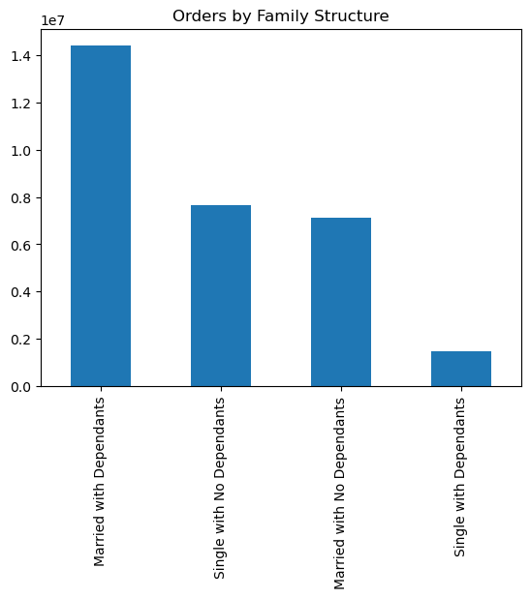
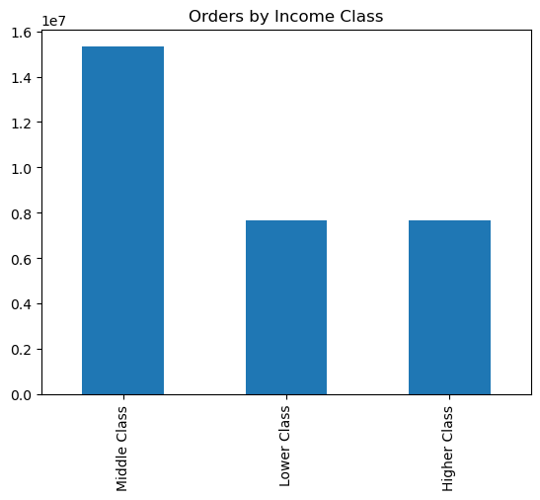

Depicted above are customer profiles with respect to various variables;

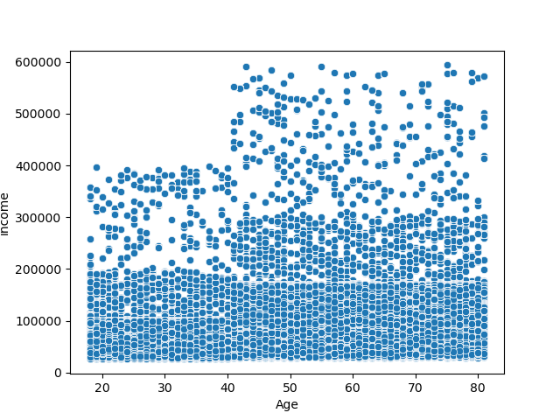

Depicted above is a scatterplot showing the income of the customer vs their age; older customers are typically those with higher income;

7. Recommendations
 |  | Title page

Recommendations

In this tab you should include any recommendations you would made to Instcart in terms of their marketing strategy based on the questions posed in the brief. Every key question has been covered in the Tasks of the Exercises - here you need to add an item - a visualisation or table/crosstable that is showing the answer in the data, acompanied by a comment from you. Please, list the questions below and add the answer underneath.

Question | Answer
What are the busiest days of the week and hours of the day? | The busiest days of the week are Saturday and Sunday while the busiest hours are from 10am - 12pm; With the least busy days being Tuesday and Wednesday; Evenings also have the lowest amount of orders;
 | Recommendation: Schedule ads in the afternoon (2pm forward) and on the weekdays to attract customers.

Are there particular times of the day when people spend the most money? | The morning time ( Most notably 4am) is the peak of when high priced items are purchased;
 | Recommendation: Promote higher priced items in the morning.

Simpler price range groupings | When sorting products as Low, Mid, and High Range products we can see that Mid range products make up 2x the orders on average than low range products. High range products on average are the worst selling by far;
 | Recommendation: Run promotions for those high range products to promote sales.

Which departments have the highest frequency of orders? | The Produce and Dairy/Eggs departments have the highest frequency of orders while the pets and alcohol departments are the least frequently ordered;
 | Recommendation: Run advertisements that promote these departments to help generate sales.

Distribution among users in regards to brand loyalty? | Regular customers make up the majority of orders for Instacart, while new customers make up the least;
 | Recommendation: Create a loyalty program that incentivizes users to become more regular/loyal customers.

Are there differences in ordering habits based on a customer's region? | Ordering habits seem to be almost uniform regardless of region;
 | Recommendation:

Is there a connection between age and family status in terms of ordering habits? | When looking at age groups we can see that Young customers are less likely to order through Instacart than Middle-aged and Older demographic. Those with dependants are also more likely to use the service on average;
 | Recommendation: Target the Younger age group with no dependants with incentives or ads;

What different classifications does the demographic information suggest? | Most of the ordering habits from all the demographics studied are consistent besides those previously mentioned;
 | Recommendation: Run the programs listed previously mostly involving running targeted ads as well as starting a loyalty program to promote increased customer activity.

What differences can you find in ordering habits of different customer profiles? | Ordering habits are consistent between the two studied customer profiles (Produce and Pet department shoppers);
 | Recommendation: As stated above run more ads that promote sales in the Pet department to generate more sales/revenue.

